StartupCosts
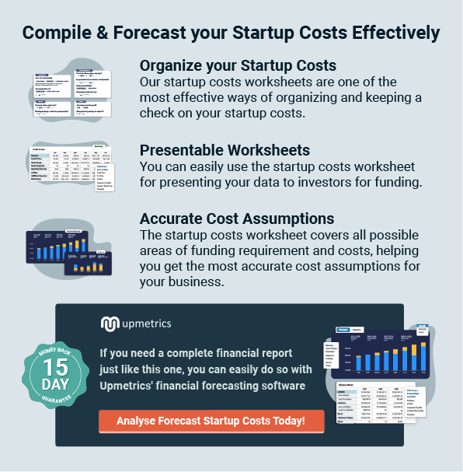
[Business Name] |  |  |  | Startup Costs Worksheet

FUNDING |  | Estimated | Actual | Under/(Over)
Investor Funding |  |  |  | {42}
 | Owner 1 | 10,000 | 9,600 | 400
 | Owner 2 | 5,000 | 5,500 | (500) | ← Amount to be contributed by an owner
 | Other |  |  |  | ← Add above this line. Other Investor Funding (minority owners, etc)
 | Total Investment | 15,000 | 15,100 | (100)

Loans
 | Bank Loan 1 |  |  |  | ← Funds available from Bank Loans
 | Bank Loan 2
 | Non Bank Loan 1 |  |  |  | ← Add above this line. Funds available from other types of loans
 | Total Loans | 0 | 0 | 0
Other Funding
 | Grant 1 |  |  |  | ← Funds from other sources such as Government grants.
 | Other |  |  |  | ← Add above this line. Funds from any other sources.
 | Total Other Funding | 0 | 0 | 0

Total FUNDING |  | 15,000 | 15,100 | (100) | ← Total Available Funds for Startup

COSTS |  | Estimated | Actual | Under/(Over)
Fixed Costs
 | Advertising for Opening |  |  |  | ← Initial advertising push. May include Grand Openings, Open Houses, etc.
 | Basic Website |  |  |  | ← Design and creation of a basic website
 | Brand Development |  |  |  | ← Creation of a Name, Logo and theme
 | Building Down Payment |  |  |  | ← Down payment for the purchase of a building/land
 | Building Improvements/Remodeling |  |  |  | ← Sometimes referred to as Leasehold Improvements
 | Business Cards/Stationery |  |  |  | ← Business cards, letterhead, flyers, brochures, menus, etc.
 | Business Entity |  |  |  | ← Creation of a business entity such as a Partnership, LLC or Corporation.
 | Business Licenses/Permits |  |  |  | ← City license, health permits, liquor permits, safety licenses, etc.
 | Computer Hardware/Software |  |  |  | ← Computers, printers, back up drives, networking hardware, software
 | Decorating |  |  |  | ← Plants, pictures, window treatments, etc.
 | Franchise Start Up Fees |  |  |  | ← One time franchise startup fees
 | Internet Setup Deposit |  |  |  | ← Basic deposit on internet service and associated hardware
 | Lease Security Deposit |  |  |  | ← Deposit for lease of a building
 | Legal/Professional Fees |  |  |  | ← Legal, accounting, etc.
 | Machines & Equipment |  |  |  | ← Scales, copiers, fax machines, dollies, packing machines, etc. Depends on your business.
 | Office Furniture/Fixtures |  |  |  | ← Cubicles, desks, chairs, counters, display cases, storage racks
 | Operating Cash (Working Capital) |  |  |  | ← Cash reserve for normal business operations
 | Point of Sale Hardware/Software |  |  |  | ← cash drawers, point of sale software, receipt printers, bar code scanners, credit card machines
 | Prepaid Insurance |  |  |  | ← Certain types of insurance must be prepaid
 | Public Utilities Deposits |  |  |  | ← Deposit for public utilities such as water, gas and electricity.
 | Reserve for Contingencies |  |  |  | ← Desired amount of cash to be held in reserve for unforeseen costs and issues
 | Security System Installation |  |  |  | ← Purchase and installation of a security system (if needed)
 | Setup, installation and consulting fees |  |  |  | ← Fees for consultants (Business, IT, Marketing) and setup of computers, equipment, etc.
 | Signage |  |  |  | ← This would include store front, window, door and street signs.
 | Starting Inventory |  |  |  | ← Inventory required to open your doors
 | Telephone |  |  |  | ← Includes Cell Phones
 | Tools & Supplies |  |  |  | ← Includes office suppliers, cleaning supplies, etc.
 | Travel |  |  |  | ← May include travel to visit suppliers or distributors.
 | Truck & Vehicle |  |  |  | ← Include any equipment or vehicles for any significant warehousing needs (forklifts, dollies, pallet jacks)
 | Other 1 (specify) |  |  |  | ← Include lines items specific to your business.
 | Other 2 (specify) |  |  |  | ← Add new lines above this line
[42] | Total Fixed Costs | 0 | 0 | 0

Average Monthly Costs
 | Advertising (print, broadcast and Internet) |  |  |  | ← Ongoing advertising and promotion costs
 | Business Insurance |  |  |  | ← Business insurance costs including building, inventory and liability.
 | Business Vehicle Insurance |  |  |  | ← Insurance for your company vehicles
 | Employee Salaries and Commissions |  |  |  | ← Do not forget to include any costs for employee benefits
 | Equipment Lease Payments |  |  |  | ← Payments for equipment that is leased
 | Inventory, raw materials, parts |  |  |  | ← Ongoing purchase of inventory and raw materials to keep your business running
 | Franchise Fee |  |  |  | ← Monthly franchise fees such as percentage of sales and marketing co-op fees.
 | Health Insurance |  |  |  | ← May be for the owners or all employees.
 | Internet Connection |  |  |  | ← Fee for having an internet connection to your building.
 | Loan and Credit Card Interest & Principal |  |  |  | ← Interest and principal payments on any loans or credit cards.
 | Legal/Accounting Fees |  |  |  | ← On going fees for taxes, payroll or other legal issues.
 | Merchant Account Fees |  |  |  | ← Fees for maintaining a merchant account (ability to accept and process credit and debit cards)
 | Miscellaneous Expenses |  |  |  | ← Other miscellaneous costs associated with your business
 | Mortgage Payments |  |  |  | ← Mortgage payments for land or buildings you have purchased
 | Lease Payment |  |  |  | ← Lease payment if you are leasing your facilities
 | Owner Salary |  |  |  | ← Don't forget contributions to retirement plans or HSAs.
 | Payroll taxes or Self-employment tax |  |  |  | ← Self Employment and payroll taxes can add up and often have to be paid quarterly.
 | Postage/Shipping Costs |  |  |  | ← Includes shipping fees as well as packing supplies (boxes, filler, paper, tape)
 | Security System Monthly Payment |  |  |  | ← Monthly fee for maintaining an alarm system.
 | Supplies |  |  |  | ← Any and all supplies including inks, toner, cleaning, paper towels, toilet paper, etc.
 | Telephone | 63 | 65 | (2) | ← Also includes cell phones
 | Travel |  |  |  | ← Travel such as site visits, sales calls, customer meetings.
 | Public Utilities |  |  |  | ← Water, gas, electricity, telephone
 | Website Hosting/Maintenance | 24 | 15 | 9 | ← Monthly fee for having your website hosted and maintained by a 3rd party
 | Other 1 (specify) |  |  |  | ← Include lines items specific to your business.
 | Other 2 (specify) |  |  |  | ← Add new lines above this line
 | Total Average Monthly Costs | 87 | 80 | 7
 | x Number of Months | 6 |  |  | ← Insert the estimated number of months until your company will have enough income to sustain itself.
 | Total Monthly Costs | 522 | 480 | 42

Total COSTS |  | 522 | 480 | 42

SURPLUS/(DEFICIT) |  | 14,478 | 14,620 | (142)

